Sheet1

PIONEER SERVICES


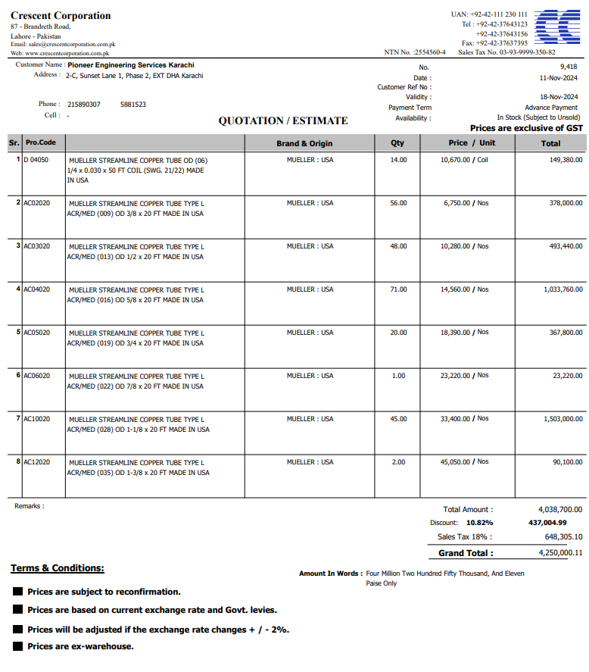

M/S Crescent corporation |  |  |  |  | 21-Jan-25

Att: Mr. Atif Munawwar

Material requisition against PO 13478

Supply of Mueller Brand Copper pipe for the project NICVD
S No. | D e s c r i p t i o n | Qty | Unit | Rate | Amount
 | Brand: Mueller USA |  |  |  |  | 575,000
1 | Supply of Copper L-Type Mueller USA 3/8" Dia | 31 | Len | 6,750 | 209,250
2 | Supply of Copper L-Type Mueller USA 1/2" Dia | 21 | Len | 10,280 | 215,880
3 | Supply of Copper L-Type Mueller USA 5/8" Dia | 36 | Len | 14,560 | 524,160
4 | Supply of Copper L-Type Mueller USA 3/4" Dia | 10 | Len | 18,390 | 183,900
5 | Supply of Copper L-Type Mueller USA 1-1/8" Dia | 20 | Len | 33,400 | 668,000
 |  | TOTAL: |  |  | 1,801,190
Discount 10.82% |  |  |  |  | 194,889
Total amount |  |  |  |  | 1,606,301
Sales Tax 18% |  |  |  |  | 289,134
Total amount |  |  |  |  | 1,895,435

Note: This PO is subject to the consultant's approval.

for IK Associates

